Sheet1
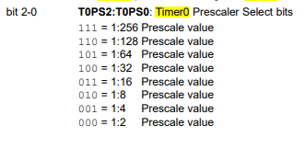
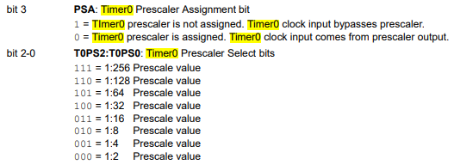
 |  |  |  | upper byte | lower byte
 |  |  |  | TRM0H | TRM0L
 |  |  |  | 0B | DB |  | 65535
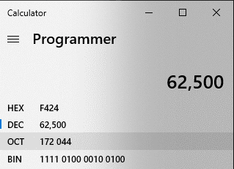

 |  |  |  | 0.5 SEC
 |  |  |  | 500 MSEC
 |  |  |  | 500000 USEC

 | SYSCLK | 4MHZ
 | TMRCLK | 1MHZ
 | CLK TMR | 1USEC |  |  |  | 8USEC | 16USEC

 | COUNT |  | 500000 |  | DEC | 62500 | 31250
 |  |  |  |  | HEX | 0xF424
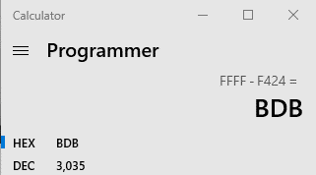
 |  |  |  |  |  |  |  |  | FFFF-F424
 |  |  |  |  |  |  |  | = | 0BDB

T0CON | 0x02

